Sheet1
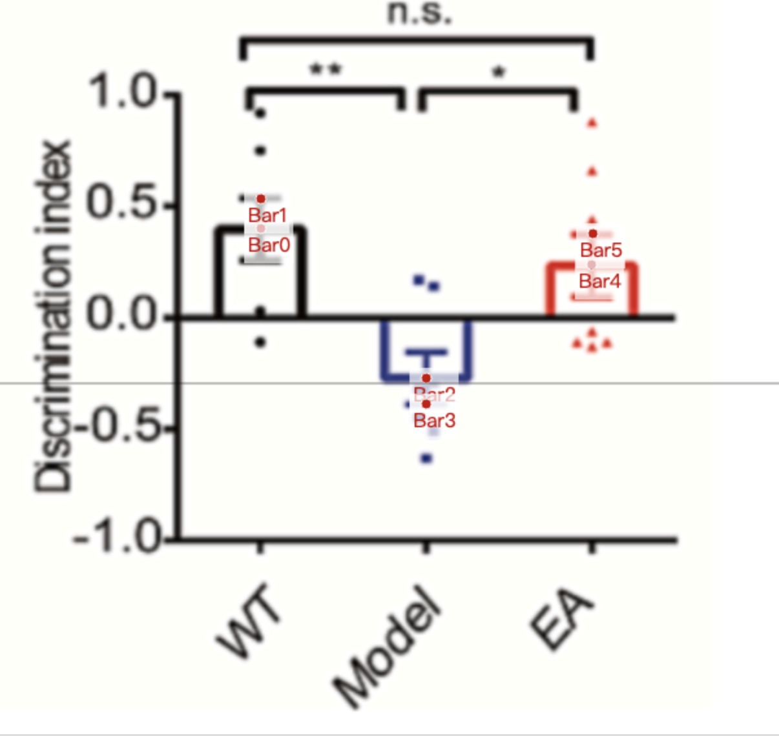
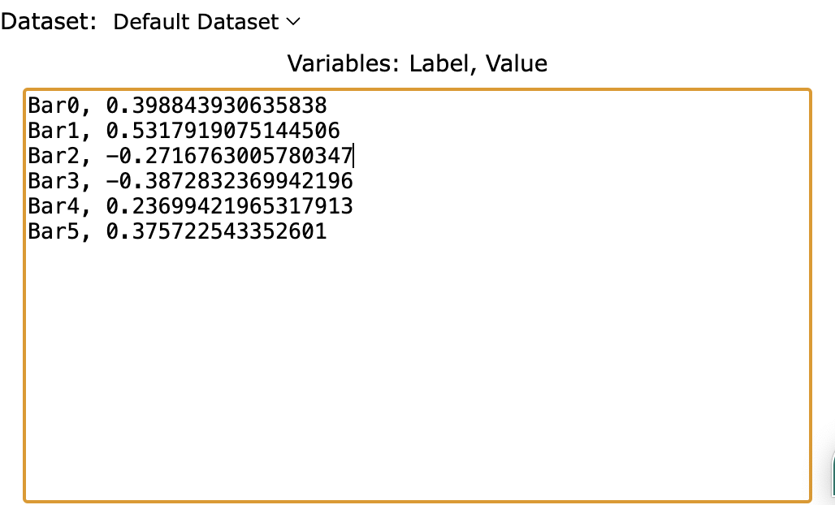
Treatment Groups | WT_discrimination_index | Model_discrimination_index | EA_discrimination_index
mean | 0.39884393064 | -0.27167630058 | 0.23699421965
sem | 0.1329479769 | 0.1156069364 | 0.1387283237
mean+sem | 0.53179190751 | -0.38728323699 | 0.37572254335
sd (sem * sqrt(8)) | 0.3517472841 | 0.3058672036 | 0.3923829537

